SLD_References
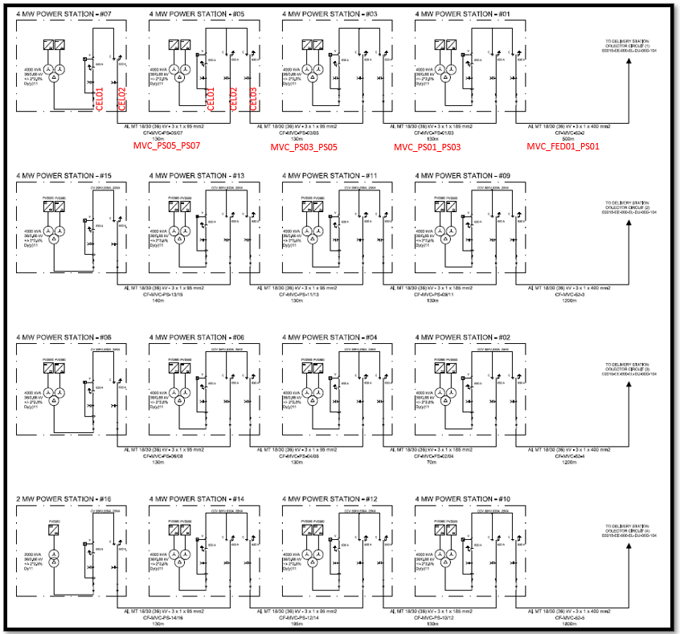
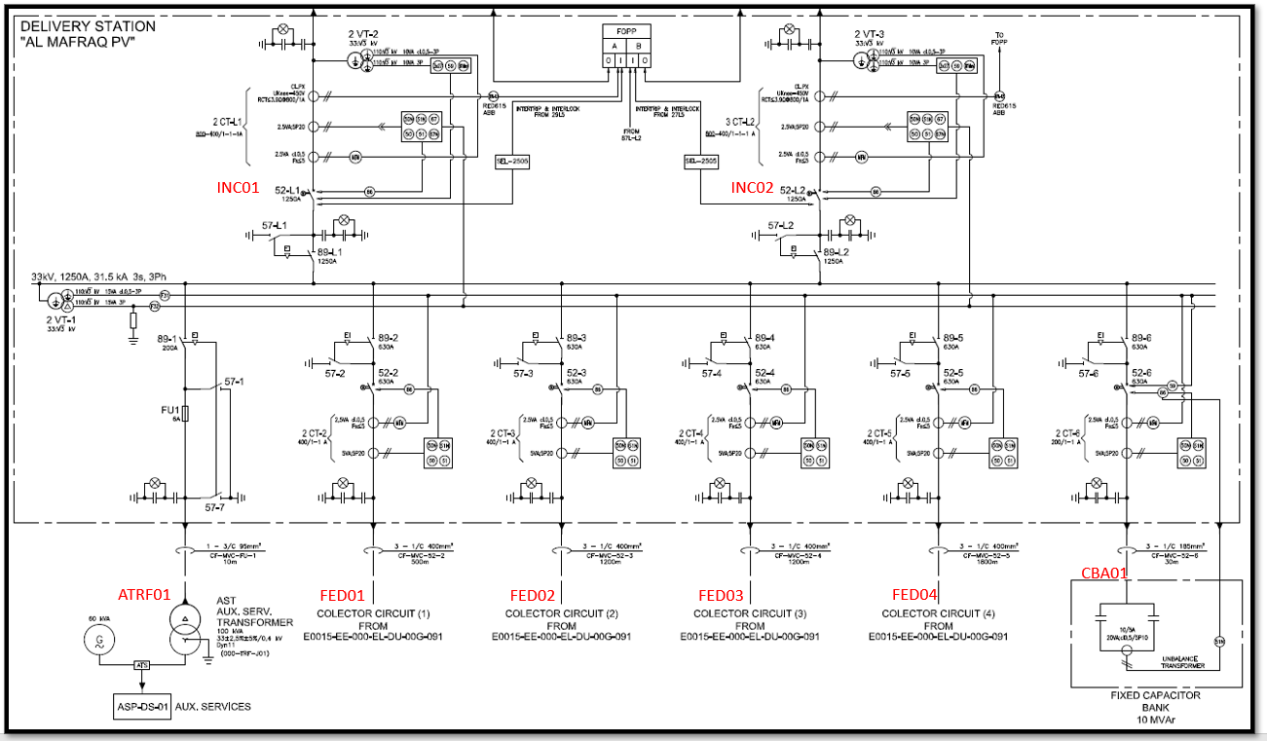
NAMING CONVENTIONS:

E0015-EE-000-EL-DU-00G091-PDF | E0015-EE-000-EL-DU-00G104.PDF

